Instructions
 | Instructions on completing the template

1 | Review Column B 'Activities' and amend to reflect the activities of your project
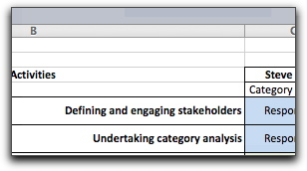
2 | Add in additional activties if the description given is too 'high level'
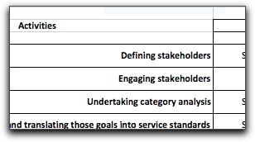
3 | Review Columns C to G 'Stakeholders' and amend to reflect the actual stakeholders involved in your project
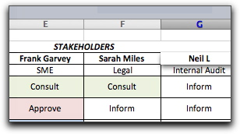
4 | You can reveal additional columns by clicking on the 'plus' sign above columns J and M
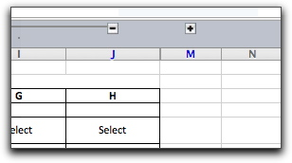
5 | Enter the name and/or role as you feel appropriate
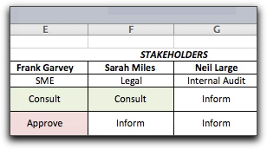
6 | When you are ready to complete the RACI chart, click once within a cell
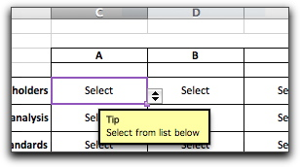
7 | A tip appears, inviting you to select one option from the selection in the drop down list

8 | Click on the small grey box that appears just outside the cell to the bottom right, and a list of options appears
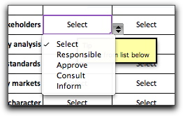
9 | Scroll down to select the most appropriate option
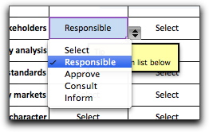
10 | The list may be edited by changing the contents at V4:V8
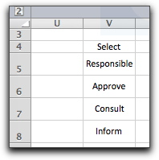
11 | The cells are formatted to colour code the results.
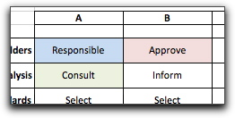
12 | You can see what each stakeholder has to do by looking at the count facility at the foot of each column
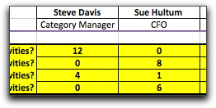
13 | When you have finished, check that each activity has at least one person responsible for each activity. Make sure that the workload is balanced sensibly.
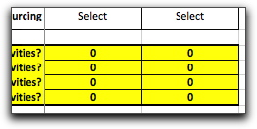

 | Legal disclaimer
 | This template is provided "as is" and the author disclaims all warranties with regard to the template, including all implied warranties of merchantability and fitness. In no event shall the author be liable for any special, direct, indirect or consequential damages or any damages whatsoever resulting from loss of use, data or profits , whether in an action of contract, negligence or other totuous action, arising out of or in connection with the use or performance of this template

