Template
Basic RACI Chart Template |  |  |  |  |  |  | Roles
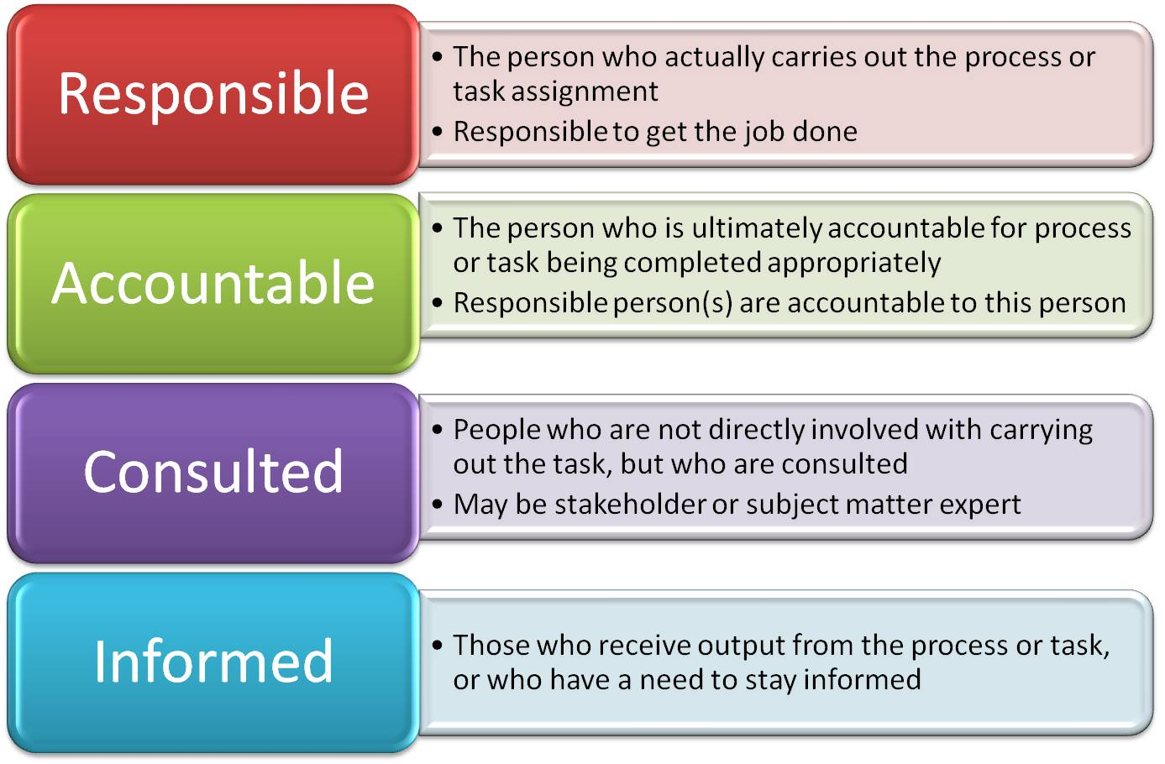

 | Person/Role | Person/Role | Person/Role | Person/Role | Person/Role | Person/Role
Task 1 |  |  |  |  |  |  | R
Task 2 |  |  |  |  |  |  | A
Task 3 |  |  |  |  |  |  | C
Task 4 |  |  |  |  |  |  | I
Task 5
Task 6
Task 7
Task 8
Task 9
Task 10

