HELP
Help

Things to know before you begin
You can use the project planner for planning single projects with multiple tasks. If you rather use something more advanced or perhaps need to plan multiple projects with multiple tasks and sub-tasks, you can download our project manager gantt chart, that is packed with advanced features.
How to begin
Begin from setting up your project name and the team to whom you are planning to assign different tasks of your project, alternatively you can leave these fields blank. All of the fields on the Settings tab are populating corresponding cells and dropdown lists on the Project worksheet.
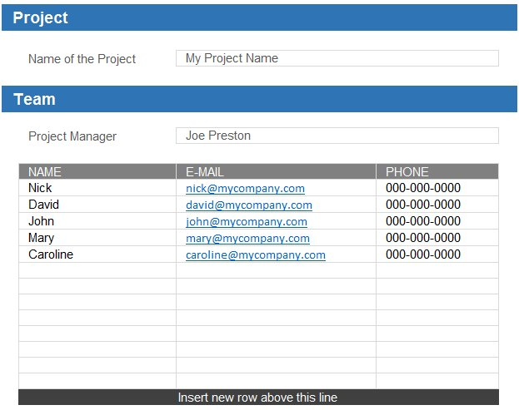

Planning your first project
Creating your project is very straightforward process. Cells that are highlighted in blue are the cells that you need to modify according to you requirements. Begin by changing the Project start date and Week starts from where you can select any day of the week depending on your specific requirements.
 | Project Start Date

 | Week Starts From

Project Row
The row highlighted in grey, which contains your project name, summarizes progress of every task of the project and will display the overall progress of the project and every individual task in it as tasks are created. You do not need to modify anything in this row at all, unless you planning to modify this template and provided that you know what you are doing.

Project Row & Project Progress

Creating project tasks
To create you first task, enter the name of the task as shown on the example, then select the name of the person from the dropdown list that you are planning to assign this task to in the Project/Task Manager column. The dropdown list will be empty is you did not create your team on the Settings tab.
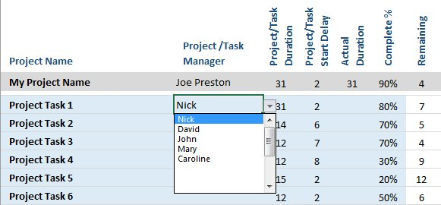

Enter the number of days in the Project/Task Duration column, to create the duration of the task. You can also delay the start day of the task by entering the number of days by which you are planning to delay the start of the task in the Project/Task Start Delay column. This feature can be particularly useful when you need to start your next task after completing the predecessor task.
Sometimes task may take less time or sometimes longer then initially planned, therefore we added column Actual Duration where you can enter the actual number of days that certain tasks did take.
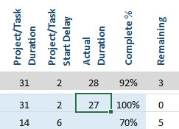

The progress of the task should be entered in the column Complete where you have to enter the percentage of completion of the task which will update the next column labelled Remaining that shows the number of days left until completion as well as progress bars in the tasks progress area.

Inserting / Deleting task rows
To delete the row, click on the row number then right click on the mouse and select Delete from the contextual menu that appears.
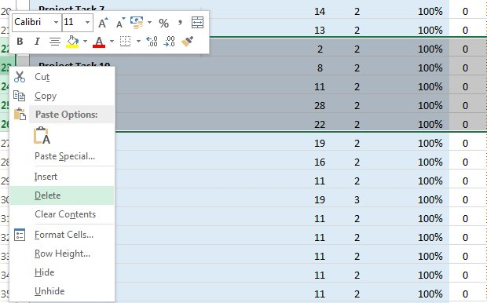

Inserting new row is not very difficult, select any task row by clicking on the row number then right click on the mouse and select Copy (Ctrl + C Shortcut) then select the row above which you need to insert your row and right click on the mouse again, but this time click on the Insert Copied Cells (Ctrl + V Shortcut). Just be sure when inserting new rows to always insert them above the last row of the project, this allows for all range formulas to expand and accommodate inserted row correctly.

Copy Row |  | Insert Row
